Script
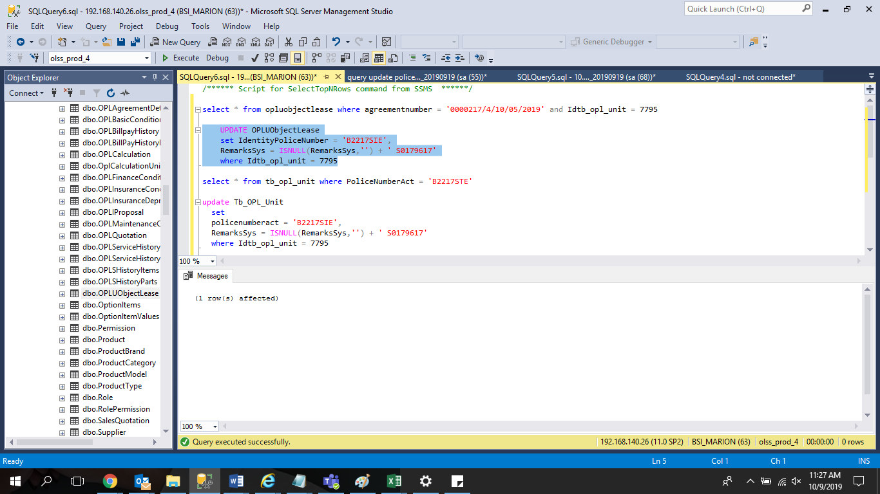
 | UPDATE OPLUObjectLease
 | set IdentityPoliceNumber = 'B2217SIE',
 | RemarksSys = ISNULL(RemarksSys,'') + ' S0179617'
 | where Idtb_opl_unit = 7795

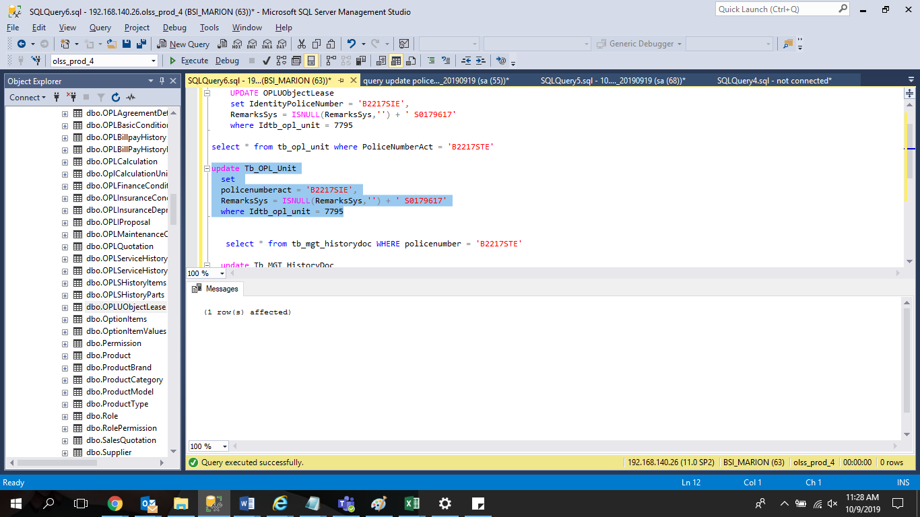
update Tb_OPL_Unit
set
policenumberact = 'B2217SIE',
RemarksSys = ISNULL(RemarksSys,'') + ' S0179617'
where Idtb_opl_unit = 7795

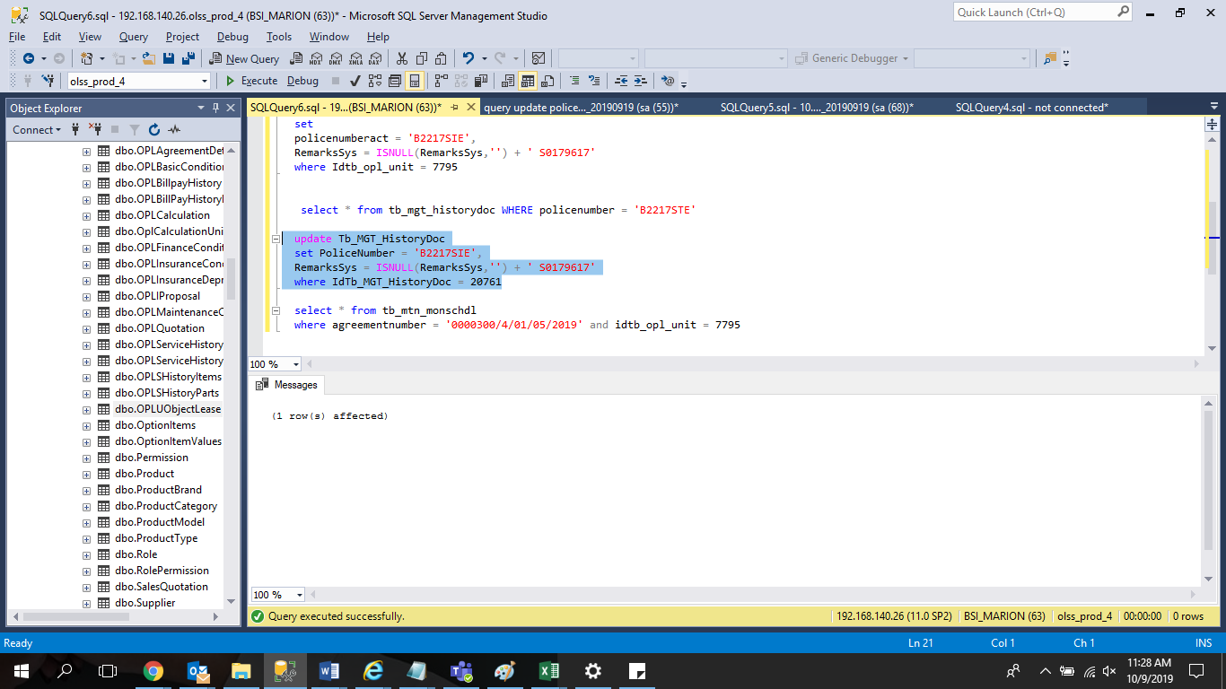
update Tb_MGT_HistoryDoc
set PoliceNumber = 'B2217SIE',
RemarksSys = ISNULL(RemarksSys,'') + ' S0179617'
where IdTb_MGT_HistoryDoc = 20761

Screenshot
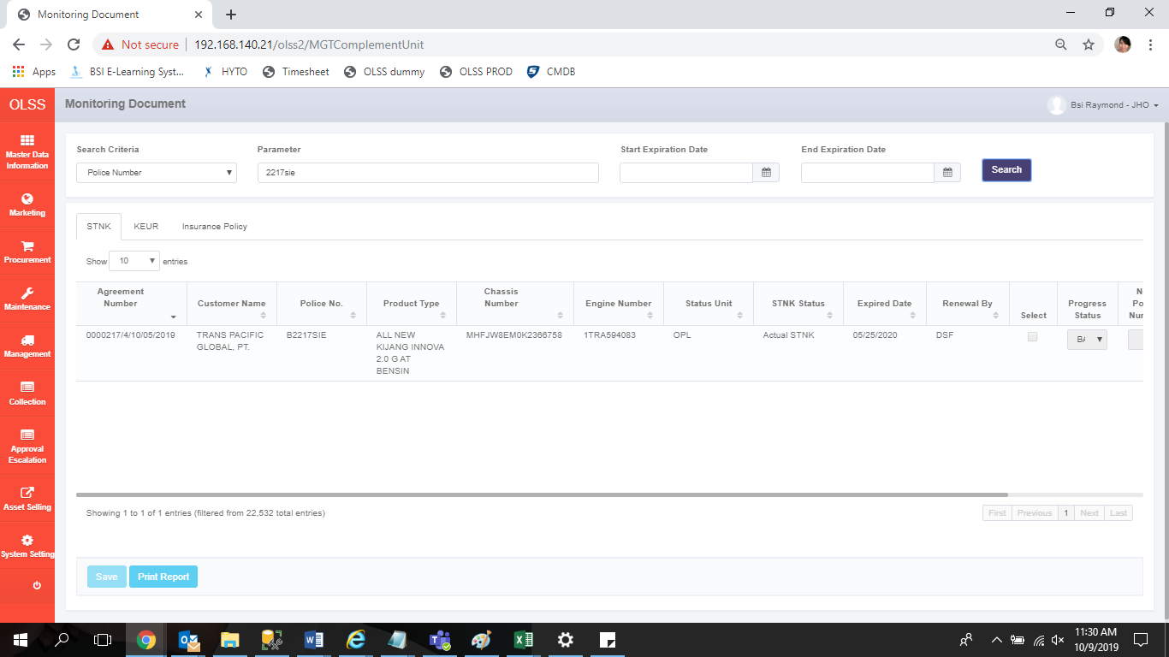
BEFORE


AFTER

